Summary
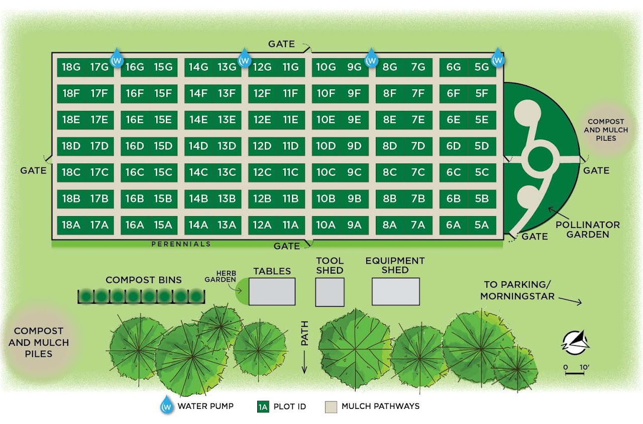
Soil Testing Methods: | Soil Testing Methods — Agricultural Analytical Services Lab — Penn State College of Agricultural Sciences (psu.edu)
Lab ID | Field ID | pH | M3 Phosphorus (ppm) | M3 Potassium (ppm) | M3 Magnesium (ppm) | M3 Calcium (ppm) | Acidity (meq/100g) | CEC (meq/100g) | K% Saturation of CEC | Mg% Saturation of CEC | Ca% Saturation of CEC | M3 Zinc (ppm) | M3 Copper (ppm) | M3 Sulfur (ppm) | Organic Matter (%)
S26-19033 | 10G | 7.0 | 343 | 290 | 349 | 4911 | 0 | 18.7 | 4 | 15.6 | 80.4 | 22.8 | 2 | 15.8 | 9.9
S26-19034 | 16G | 7.3 | 305 | 240 | 385 | 5151 | 0 | 18.8 | 3.3 | 17 | 79.7 | 18.5 | 2 | 18.2 | 10.2
S26-19035 | 15D | 7.1 | 252 | 315 | 360 | 4649 | 0 | 18.8 | 4.3 | 16 | 79.8 | 17.4 | 2 | 19.6 | 9.6
S26-19036 | 8G | 7.3 | 270 | 177 | 320 | 4533 | 0 | 18.1 | 2.5 | 14.7 | 82.8 | 24.8 | 1.8 | 14.4 | 10.1
S26-19037 | 14G | 7.2 | 335 | 253 | 342 | 4966 | 0 | 18.5 | 3.5 | 15.4 | 81.1 | 24.5 | 2.1 | 15.9 | 9.8
S26-19038 | 18E | 7.2 | 216 | 198 | 414 | 5807 | 0 | 19 | 2.7 | 18.2 | 79.1 | 20.1 | 1.9 | 17.8 | 12.6
S26-19039 | 8B | 7.2 | 304 | 240 | 326 | 5184 | 0 | 18.3 | 3.4 | 14.8 | 81.8 | 20.7 | 1.8 | 17 | 10.5
S26-19040 | 10A | 7.1 | 262 | 227 | 357 | 5078 | 0 | 18.6 | 3.1 | 16 | 80.8 | 20.7 | 2.5 | 15.6 | 10.6
S26-19041 | 18A | 7.2 | 289 | 506 | 363 | 5189 | 0 | 19.3 | 6.7 | 15.7 | 77.6 | 22 | 2.6 | 25 | 11.5
S26-19043 | 13B | 7.2 | 272 | 375 | 331 | 4233 | 0 | 18.7 | 5.1 | 14.7 | 80.1 | 18.4 | 2.2 | 29.3 | 7.4
S26-19044 | 6G | 6.9 | 345 | 232 | 392 | 5938 | 0 | 18.9 | 3.2 | 17.3 | 79.5 | 28.1 | 1.8 | 19.1 | 13.5
S26-19045 | 14A | 7.2 | 279 | 499 | 358 | 4681 | 0 | 19.3 | 6.6 | 15.5 | 77.9 | 18.1 | 1.9 | 26.1 | 9.1
S26-19046 | 9D | 6.9 | 338 | 361 | 423 | 6330 | 0 | 19.5 | 4.8 | 18.1 | 77.1 | 28.7 | 2.1 | 25.5 | 12.6

Stats | Average | 7.1 | 293.1 | 301.0 | 363.1 | 5126.8 | 0.0 | 18.8 | 4.1 | 16.1 | 79.8 | 21.9 | 2.1 | 19.9 | 10.6
 | Std Dev | 0.1 | 39.8 | 106.7 | 32.2 | 593.8 | 0.0 | 0.4 | 1.4 | 1.2 | 1.6 | 3.7 | 0.3 | 4.8 | 1.6
 | Min | 6.9 | 216.0 | 177.0 | 320.0 | 4232.5 | 0.0 | 18.1 | 2.5 | 14.7 | 77.1 | 17.4 | 1.8 | 14.4 | 7.4
 | Max | 7.3 | 345.0 | 506.0 | 423.0 | 6329.9 | 0.0 | 19.5 | 6.7 | 18.2 | 82.8 | 28.7 | 2.6 | 29.3 | 13.5

Graphs
 | Field ID
 | 10G | 16G | 15D | 8G | 14G | 18E | 8B | 10A | 18A | 13B | 6G | 14A | 9D |  | Average | Std Dev | Min | Max
pH | 7.0 | 7.3 | 7.1 | 7.3 | 7.2 | 7.2 | 7.2 | 7.1 | 7.2 | 7.2 | 6.9 | 7.2 | 6.9 | pH | 7.1 | 0.1 | 6.9 | 7.3
Phosphorus (ppm) | 343 | 305 | 252 | 270 | 335 | 216 | 304 | 262 | 289 | 272 | 345 | 279 | 338 | Phosphorus (ppm) | 293.1 | 39.8 | 216.0 | 345.0
Potassium (ppm) | 290 | 240 | 315 | 177 | 253 | 198 | 240 | 227 | 506 | 375 | 232 | 499 | 361 | Potassium (ppm) | 301.0 | 106.7 | 177.0 | 506.0
Magnesium (ppm) | 349 | 385 | 360 | 320 | 342 | 414 | 326 | 357 | 363 | 331 | 392 | 358 | 423 | Magnesium (ppm) | 363.1 | 32.2 | 320.0 | 423.0
Calcium (ppm) | 4911 | 5151 | 4649 | 4533 | 4966 | 5807 | 5184 | 5078 | 5189 | 4233 | 5938 | 4681 | 6330 | Calcium (ppm) | 5126.8 | 593.8 | 4232.5 | 6329.9
Acidity (meq/100g) | 0 | 0 | 0 | 0 | 0 | 0 | 0 | 0 | 0 | 0 | 0 | 0 | 0 | Acidity (meq/100g) | 0.0 | 0.0 | 0.0 | 0.0
CEC (meq/100g) | 18.7 | 18.8 | 18.8 | 18.1 | 18.5 | 19 | 18.3 | 18.6 | 19.3 | 18.7 | 18.9 | 19.3 | 19.5 | CEC (meq/100g) | 18.8 | 0.4 | 18.1 | 19.5
K% Saturation of CEC | 4 | 3.3 | 4.3 | 2.5 | 3.5 | 2.7 | 3.4 | 3.1 | 6.7 | 5.1 | 3.2 | 6.6 | 4.8 | K% Saturation of CEC | 4.1 | 1.4 | 2.5 | 6.7
Mg% Saturation of CEC | 15.6 | 17 | 16 | 14.7 | 15.4 | 18.2 | 14.8 | 16 | 15.7 | 14.7 | 17.3 | 15.5 | 18.1 | Mg% Saturation of CEC | 16.1 | 1.2 | 14.7 | 18.2
Ca% Saturation of CEC | 80.4 | 79.7 | 79.8 | 82.8 | 81.1 | 79.1 | 81.8 | 80.8 | 77.6 | 80.1 | 79.5 | 77.9 | 77.1 | Ca% Saturation of CEC | 79.8 | 1.6 | 77.1 | 82.8
Zinc (ppm) | 22.8 | 18.5 | 17.4 | 24.8 | 24.5 | 20.1 | 20.7 | 20.7 | 22 | 18.4 | 28.1 | 18.1 | 28.7 | Zinc (ppm) | 21.9 | 3.7 | 17.4 | 28.7
Copper (ppm) | 2 | 2 | 2 | 1.8 | 2.1 | 1.9 | 1.8 | 2.5 | 2.6 | 2.2 | 1.8 | 1.9 | 2.1 | Copper (ppm) | 2.1 | 0.3 | 1.8 | 2.6
Sulfur (ppm) | 15.8 | 18.2 | 19.6 | 14.4 | 15.9 | 17.8 | 17 | 15.6 | 25 | 29.3 | 19.1 | 26.1 | 25.5 | Sulfur (ppm) | 19.9 | 4.8 | 14.4 | 29.3
Organic Matter (%) | 9.9 | 10.2 | 9.6 | 10.1 | 9.8 | 12.6 | 10.5 | 10.6 | 11.5 | 7.4 | 13.5 | 9.1 | 12.6 | Organic Matter (%) | 10.6 | 1.6 | 7.4 | 13.5

